Instructions Sheet
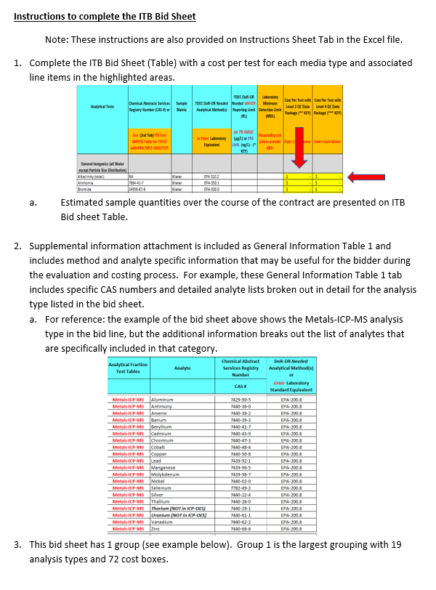
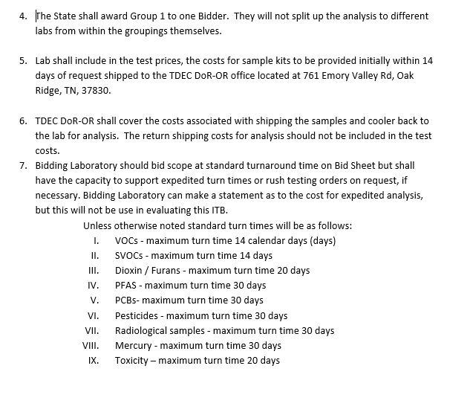
TDEC DoR-OR Invitation To Bid (ITB) - Attachment 1
Instructions Sheet
 | Instructions for ITB Bid Sheet

ITB Bidsheet
TDEC DoR-OR Invitation To Bid (ITB) Analytical Tests
 | Division of Remediation, Oak Ridge Office (DoR-OR)
 | 761 Emory Valley Rd.
Analytical Tests | Chemical Abstracts Services Registry Number (CAS #) or | Sample Matrix | TDEC DoR-OR Needed Analytical Method(s) | TDEC DoR-OR Needed WATER Reporting Limit (RL) | Laboratory Minimum Detection Limit (MDL) | Cost Per Test with Level 2 QC Data Package (** KEY) | Cost Per Test with Level 4 QC Data Package (*** KEY) | Estimated Sampling Quantities | Total Cost
 | See (4th Tab) General Information Table 1 |  | or Enter Laboratory Equivalent | for TN AWQC (µg/L) or EPA LHAL (ng/L) - (* KEY) | Responding Lab please provide MDL | Enter Costs Below | Enter Costs Below | See (3rd tab) Estimated Sampling Quantities | (**** KEY)
General Inorganics (all Water except Particle Size Distribution)
Alkalinity (total) | NA | Water | EPA 310.2 |  |  | $- | $- | 150 | $-
Ammonia | 7664-41-7 | Water | EPA-350.1 |  |  | $- | $- | 150 | $-
Bromide | 24959-67-9 | Water | EPA-300.0 |  |  | $- | $- | 150 | $-
Chloride | 16887-00-6 | Water | EPA-300.0 |  |  | $- | $- | 150 | $-
COD | NA | Water | EPA-5220-C |  |  | $- | $- | 150 | $-
Cyanide | 57-12-5 | Water | SW846-9016 | ≤ 140 |  | $- | $- | 150 | $-
Fluoride | 16984-48-8 | Water | EPA-300.0 |  |  | $- | $- | 150 | $-
Hexavalent chromium | 18540-29-9 | Water | SW846-7199 |  |  | $- | $- | 150 | $-
Inorganic Anions by IC | NA | Water | EPA 300.0 |  |  | $- | $- | 150 | $-
Nitrate | 14797-55-8 | Water | EPA-300.0 |  |  | $- | $- | 150 | $-
Nitrate and nitrite (as nitrogen) | NA | Water | EPA-353.2 |  |  | $- | $- | 150 | $-
Nitrite | 14797-65-0 | Water | EPA-300.0 |  |  | $- | $- | 150 | $-
Orthophosphate | 9066-91-5 | Water | EPA-300.0 |  |  | $- | $- | 150 | $-
Particle size distribution (sediment) | NA | Sediment | ASTM-D7928 |  |  | $- | $- | 15 | $-
Phosphorus (total) | 7723-14-0 | Water | EPA-365.1 |  |  | $- | $- | 150 | $-
Sulfate | 14808-79-8 | Water | EPA-300.0 |  |  | $- | $- | 150 | $-
Sulfide | 18496-25-8 | Water | SM-4500-S2-F |  |  | $- | $- | 150 | $-
Total dissolved solids (TDS) | NA | Water | SM-2540-C |  |  | $- | $- | 150 | $-
Total suspended solids (TSS) | NA | Water | SM-2540-D |  |  | $- | $- | 150 | $-
Total solids | NA | Water | SM-2540-B |  |  | $- | $- | 150 | $-
Total kjeldahl nitrogen | Nitrogen 7727-37-9 | Water | EPA-351.2 |  |  | $- | $- | 150 | $-
Total organic carbon | Carbon 7440-44-0 | Water | SW846-9060 |  |  | $- | $- | 150 | $-
Mercury in air filters | 7439-97-6 | Air filters | SW846-7471 |  |  | $- | $- | 80 | $-
Mercury in biota | 7439-97-6 | Biota | SW846-7471 |  |  | $- | $- | 25 | $-
Mercury in fish | 7439-97-6 | Fish | SW846-7471 |  |  | $- | $- | 10 | $-
Mercury in milk | 7439-97-6 | Milk | SW846-7471 |  |  | $- | $- | 10 | $-
Mercury in sediment | 7439-97-6 | Sediment | SW846-7471 |  |  | $- | $- | 15 | $-
Mercury in sludge | 7439-97-6 | Sludge | SW846-7471 |  |  | $- | $- | 5 | $-
Mercury in solids | 7439-97-6 | Solids | SW846-7471 |  |  | $- | $- | 25 | $-
Mercury in vegetable | 7439-97-6 | Vegetable | SW846-7471 |  |  | $- | $- | 10 | $-
Mercury in waste | 7439-97-6 | Waste | SW846-7471 |  |  | $- | $- | 5 | $-
Mercury in water | 7439-97-6 | Water | SW846-7470 |  |  | $- | $- | 150 | $-
Metals analysis by ICP-MS in air filters | Metals ICP-MS | Air filters | EPA-200.8 |  |  | $- | $- | 80 | $-
Metals analysis by ICP-MS in biota | Metals ICP-MS | Biota | EPA-200.8 |  |  | $- | $- | 25 | $-
Metals analysis by ICP-MS in fish | Metals ICP-MS | Fish | EPA-200.8 |  |  | $- | $- | 10 | $-
Metals analysis by ICP-MS in milk | Metals ICP-MS | Milk | EPA-200.8 |  |  | $- | $- | 10 | $-
Metals analysis by ICP-MS in sediment | Metals ICP-MS | Sediment | EPA-200.8 |  |  | $- | $- | 15 | $-
Metals analysis by ICP-MS in sludge | Metals ICP-MS | Sludge | EPA-200.8 |  |  | $- | $- | 5 | $-
Metals analysis by ICP-MS in solids | Metals ICP-MS | Solids | EPA-200.8 |  |  | $- | $- | 25 | $-
Metals analysis by ICP-MS in vegetable | Metals ICP-MS | Vegetable | EPA-200.8 |  |  | $- | $- | 10 | $-
Metals analysis by ICP-MS in waste | Metals ICP-MS | Waste | EPA-200.8 |  |  | $- | $- | 5 | $-
Metals analysis by ICP-MS in water | Metals ICP-MS | Water | EPA-200.8 | See General Information Table 1 for NEEDED RL | See General Information Table 1 for MDL | $- | $- | 150 | $-
Metals analysis by ICP-OES (includes Fe ,K ,Mg ,Ca ,Na) in air filters | Metals ICP-OES | Air filters | EPA-200.7 |  |  | $- | $- | 80 | $-
Metals analysis by ICP-OES (includes Fe ,K ,Mg ,Ca ,Na) in biota | Metals ICP-OES | Biota | EPA-200.7 |  |  | $- | $- | 25 | $-
Metals analysis by ICP-OES (includes Fe ,K ,Mg ,Ca ,Na) in fish | Metals ICP-OES | Fish | EPA-200.7 |  |  | $- | $- | 10 | $-
Metals analysis by ICP-OES (includes Fe ,K ,Mg ,Ca ,Na) in milk | Metals ICP-OES | Milk | EPA-200.7 |  |  | $- | $- | 10 | $-
Metals analysis by ICP-OES (includes Fe ,K ,Mg ,Ca ,Na) in sediment | Metals ICP-OES | Sediment | EPA-200.7 |  |  | $- | $- | 15 | $-
Metals analysis by ICP-OES (includes Fe ,K ,Mg ,Ca ,Na) in sludge | Metals ICP-OES | Sludge | EPA-200.7 |  |  | $- | $- | 5 | $-
Metals analysis by ICP-OES (includes Fe ,K ,Mg ,Ca ,Na) in solids | Metals ICP-OES | Solids | EPA-200.7 |  |  | $- | $- | 25 | $-
Metals analysis by ICP-OES (includes Fe ,K ,Mg ,Ca ,Na) in vegetable | Metals ICP-OES | Vegetable | EPA-200.7 |  |  | $- | $- | 10 | $-
Metals analysis by ICP-OES (includes Fe ,K ,Mg ,Ca ,Na) in waste | Metals ICP-OES | Waste | EPA-200.7 |  |  | $- | $- | 5 | $-
Metals analysis by ICP-OES (includes Fe ,K ,Mg ,Ca ,Na) in water | Metals ICP-OES | Water | EPA-200.7 | See General Information Table 1 for NEEDED RL | See General Information Table 1 for MDL | $- | $- | 150 | $-
Total hardness | NA | Water | ASTM-D1126, Calculated |  |  | $- | $- | 150 | $-
Semivolatile in air filters | SV | Air filters | SW846-8270 |  |  | $- | $- | 80 | $-
Semivolatile in biota | SV | Biota | SW846-8270 |  |  | $- | $- | 25 | $-
Semivolatile in fish | SV | Fish | SW846-8270 |  |  | $- | $- | 10 | $-
Semivolatile in milk | SV | Milk | SW846-8270 |  |  | $- | $- | 10 | $-
Semivolatile in sediment | SV | Sediment | SW846-8270 |  |  | $- | $- | 15 | $-
Semivolatile in sludge | SV | Sludge | SW846-8270 |  |  | $- | $- | 5 | $-
Semivolatile in solids | SV | Solids | SW846-8270 |  |  | $- | $- | 25 | $-
Semivolatile in vegetable | SV | Vegetable | SW846-8270 |  |  | $- | $- | 10 | $-
Semivolatile in waste | SV | Waste | SW846-8270 |  |  | $- | $- | 5 | $-
Semivolatile in water | SV | Water | SW846-8270 | See General Information Table 1 for NEEDED RL | See General Information Table 1 for MDL | $- | $- | 150 | $-
Volatile in air filters | VOA | Air filters | SW846-8260 |  |  | $- | $- | 80 | $-
Volatile in biota | VOA | Biota | SW846-8260 |  |  | $- | $- | 25 | $-
Volatile in fish | VOA | Fish | SW846-8260 |  |  | $- | $- | 10 | $-
Volatile in milk | VOA | Milk | SW846-8260 |  |  | $- | $- | 10 | $-
Volatile in sediment | VOA | Sediment | SW846-8260 |  |  | $- | $- | 15 | $-
Volatile in sludge | VOA | Sludge | SW846-8260 |  |  | $- | $- | 5 | $-
Volatile in solids | VOA | Solids | SW846-8260 |  |  | $- | $- | 25 | $-
Volatile in vegetable | VOA | Vegetable | SW846-8260 |  |  | $- | $- | 10 | $-
Volatile in waste | VOA | Waste | SW846-8260 |  |  | $- | $- | 5 | $-
Volatile in water | VOA | Water | SW846-8260 | See General Information Table 1 for NEEDED RL | See General Information Table 1 for MDL | $- | $- | 150 | $-
Total Final Cost |  |  |  |  |  |  |  |  | $-

Key:
* TN AWQC = State of Tennesse Ambient Water Quality Criteria, EPA LHAL = EPA Lifetime Health Advisory Limits
** Level 2 QC Package: Sample Results, Laboratory Method Blank, Laboratory Control Sample (LCS/LCSD), Laboratory Matrix Spike (MS/MSD), and Level 2 EDD
*** Level 4 QC Package: Sample Results, ALL Level 4, and Level 4 EDD
**** Assume Level 2 QC Package for Bid costs. Please provide Level 4 QC Package cost, if appropriate, if needed in future but it is not the norm

