Checklist Instructions
2022-2023 Training Checklist

The Training Checklist is a way to ensure that you have completed all mandatory training and the required number of training hours.

One and Done Courses: Not all training requirements are annual. Some courses are required only once. Sometimes older requirements get missed, and staff are out of compliance without realizing it. Want to make sure you have taken all required classes? Check out the New Staff Tab and make sure you have taken all required coures for your position. COA reviews begin this year. We will be checking compliance for all courses.
Pick the tab that best describes your job position. Possible Tabs include: *Non-Case Management (CM) Staff *Case Management Series Staff *New Staff *New Supervisors There is also a tab with instructions for how to use Edison Programs to your benefit, so be sure to scroll all the way to the right.

Each tab provides a list of required courses for your position. Some courses may not be required for all employees. In these cases, that information is listed beside the course title. As you complete required courses over the year, enter the date of completion. If the date of completion is during the current training year, the training credit will automatically populate. See example below.

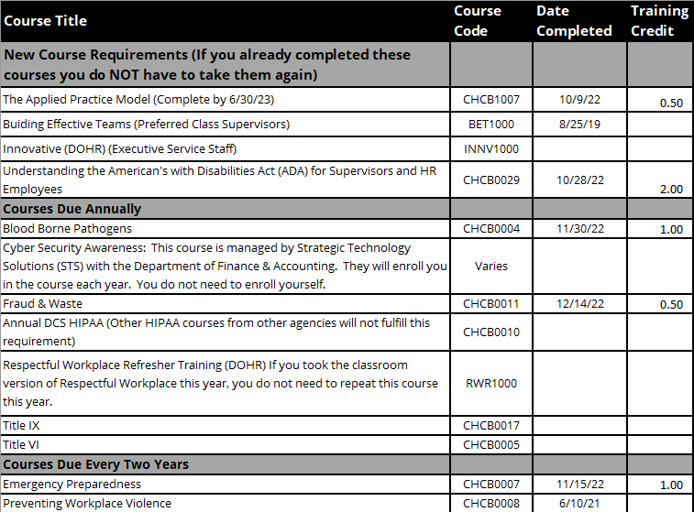

This is a new DOHR requirement related to the new Preferred Class Supervisor Competency "Team Building". You may have previously taken the course as part of the DOHR Pyramid. You may note the date to indicate you have completed the requirement, but since it was prior to this training year, nothing appears in the training credit column.

If you completed an "every two years" requirement last year, you can track your compliance, but you will not receive training credit for this year. The Edison program will recognize that you compliant this year.

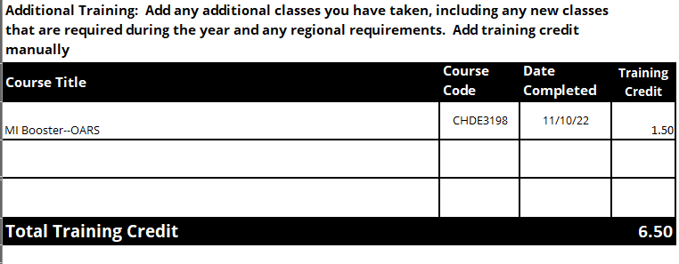
At the bottom of each tab is a place for you to add any additional training you take. You will need to add the training credit yourself.

The last row of the tab will total all training credit you have compelted for the year. Use this list to make sure you have received trainign credit in Edison. You can also share this page with your supervisor.

Edison Program Instructions
Instructions for Registering for Training in Edison Programs

Many required courses are grouped together in Edison Programs that make it easy to enroll in and complete the course.
We are unable to include courses from other agencies in the Edison mandatory training programs. You must enroll in those courses on your own.

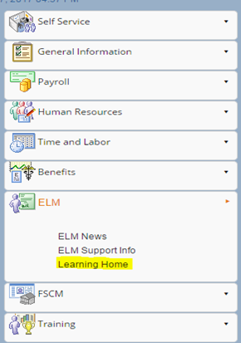
1 | Navigate to the Learning Home Work center in Edison.

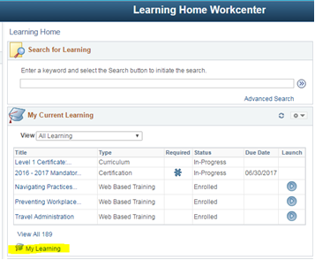
2 | Click on My Learning
 | You cannot launch the program directly from the Learning Home page. Click on "My Learning" first.

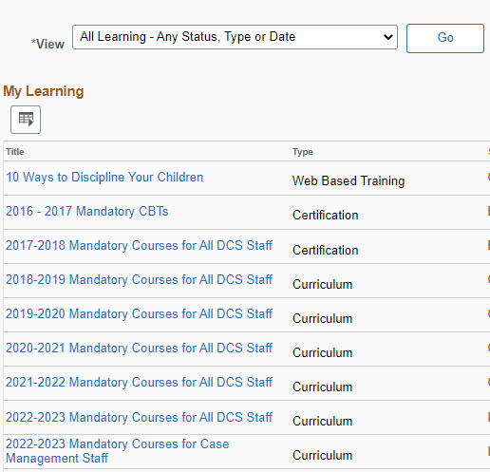
3 | Change the view to "All Learning-any status type or date"
 | Click "GO". Then click on the title of the program. You can sort your list clicking the column headings. Click Title to sort alphabetically by title. Click the appropriate program title.

4 | Program Progress
 | Here you will see the status of each course. If you are enrolled in a class, click the title to launch it. If you are not enrolled, click "View Enrollment Options" to enroll in the class.

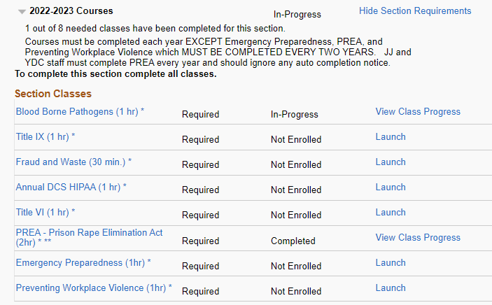

 |  |  | Indicates that the class has been started, but there are required elements that have not been completed. View Class Progress tells you what is missing

 |  |  | No need to enroll. Start you class by clicking "Launch"

 |  |  | You may see some courses already completed. For example, if you completed an "every two years" course last year, Edison will mark you complete for this year.

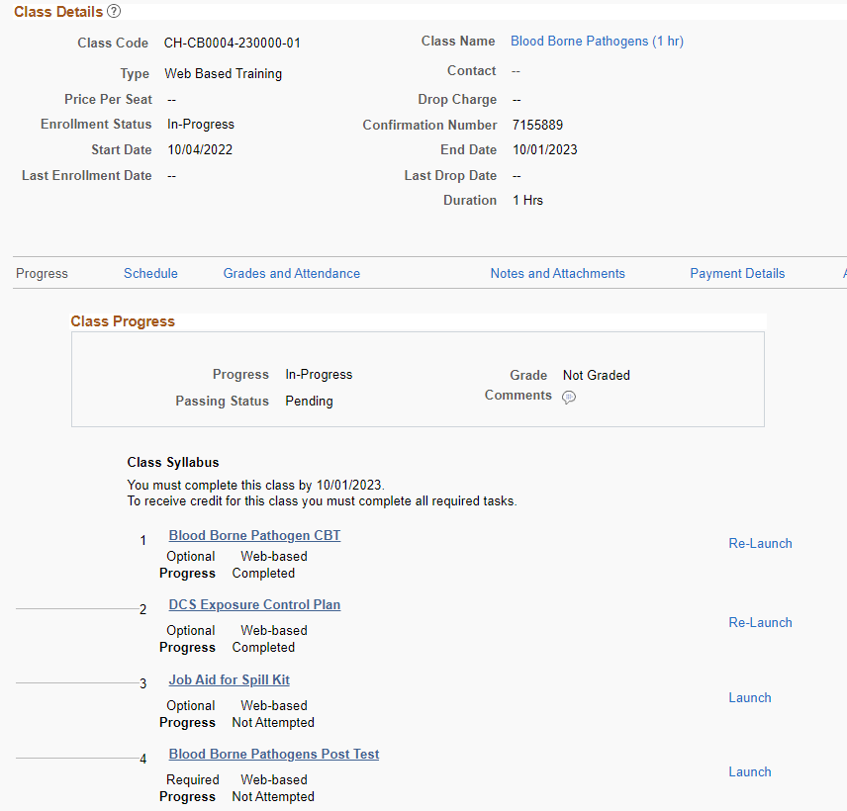
5 | Class Progress
 | Click on View Class Progress to find the specific requirements for completing each class.

 |  | Progress and Passing Status are listed here

 |  | Important information about completion dates is here. This class will close at midnight 10/1/23. Meaning if you did not finish by 11:59 pm on September 30th, you will be locked out.

 |  | This tells you whether a component is optional or required and whether it is complete.

 |  | If a required component does not say completed you have not completed the course.

