Fy 22 Budget
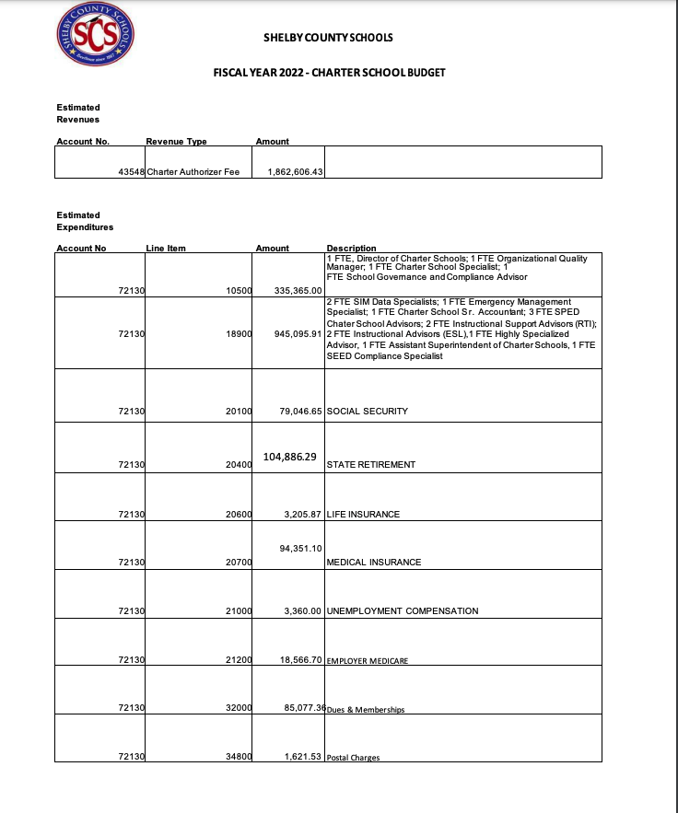
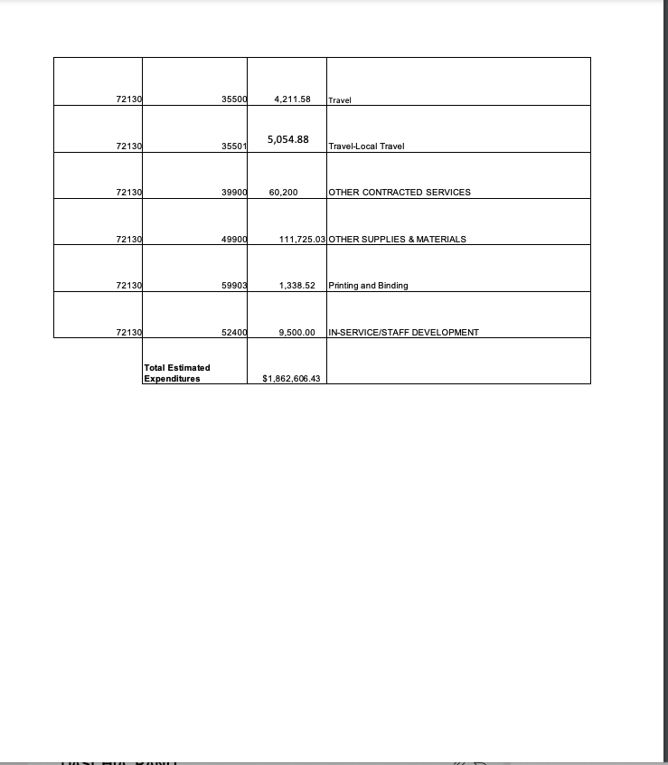

fy22 revenue total
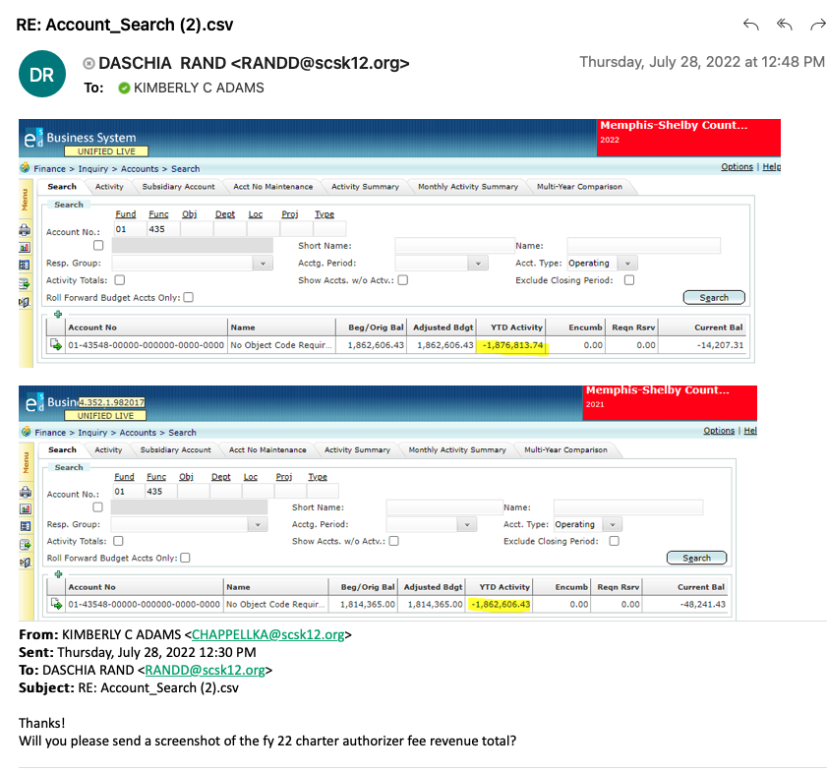

Budget Amount = Previous year's revenue activity minus authorizer fees associated with schools closing for current year.

1876813.74
-70,000 | MAHS HS and MAHS MS
$1,806,813.74
fy 23 Budget amount

1806813.74

