Debit Calculator
Project ID/ Permit Number: | 0 |  |  | Users Input Values |  |  |  |  | Impact Severity Tiers | Impact Factors | Percent Functional Loss | Proposed Impact Factors and Activity Modeling: The graph below represents combined data from modeling individual activities and the impact these actions have on stream resources. The table has established tiers, percent functional loss and the impact factors used to determine debits. The Impact Factors were developed from linear regression equations of modeled impact scenarios using a simplified version of the SQT. Each impact type was described in detail and evaluated for stream functional loss by the proposed activities. Using a simplified SQT, an individual impact factor was developed for each impact type. These types were grouped based on % functional loss (in clusters) and graphed in "tiers". A trendline was drawn and the slope of that line became the combined impact factor representing all activities within a given tier.
 |  |  |  | Users select values from a pull-down menu |  |  |  |  | Tier 0 | 1.00 | 0%
DEBIT TOOL TABLE |  |  |  |  |  |  |  |  | Tier 1 | 0.89 | 11%
Stream ID by Reach | Impact Description | Option | Existing Stream Length | Existing Condition Score | Proposed Length | Impact Severity Tier | Proposed Condition Score | Change in Functional Feet | Tier 2 | 0.8 | 20%
0 | 0 |  |  |  |  |  |  |  | Tier 3 | 0.52 | 48%
0 | 0 |  |  |  |  |  |  |  | Tier 4 | 0.32 | 68%
0 | 0 |  |  |  |  |  |  |  | Tier 5 | 0.12 | 88%
0 | 0 |  |  |  |  |  |  |  | Tier 6 | 0.00 | 100%
0 | 0
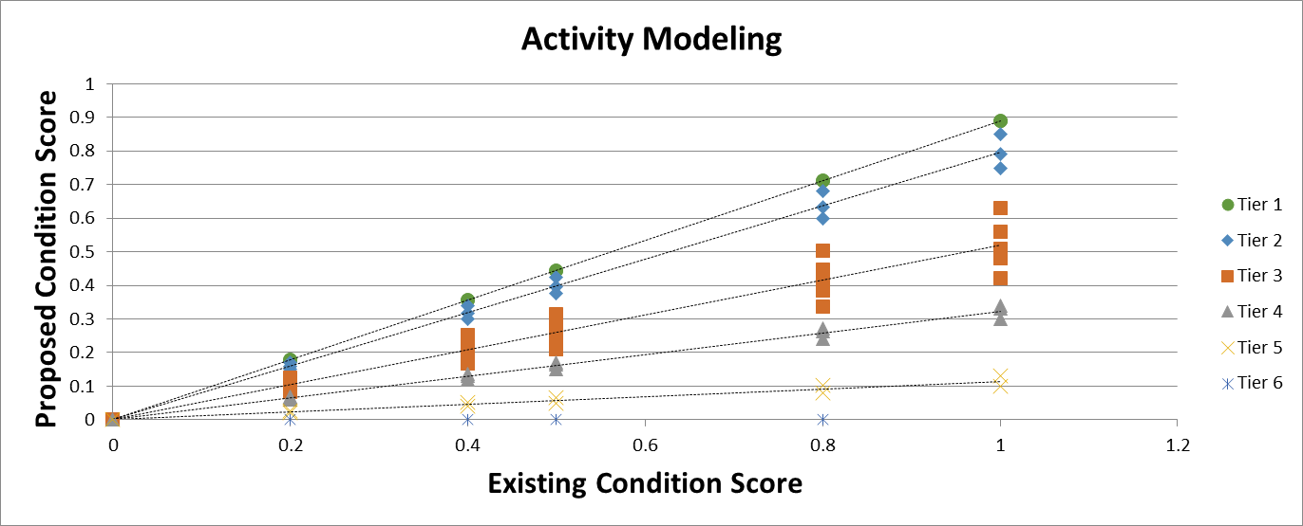
0 | 0
0 | 0
0 | 0
0 | 0
0 | 0
0 | 0
0 | 0
0 | 0
0 | 0
0 | 0
0 | 0
0 | 0
0 | 0
0 | 0
0 | 0
0 | 0
Total Functional Loss (Debits in FF): |  |  |  |  |  |  |  | 0.0

 |  |  | Quick steps to determine total debits
Summary of Existing Conditions |  |  | 1. Determine stream existing length. 2. Determine proposed stream length. This should be equal to or less than the original stream length and equivalent to the impact length, e.g. culvert or riprap length. 3. Determine Impact Severity Tier based on impact descriptions found in the TN Stream Mitigation Guidelines. 4. Select option 1, 2, or 3 and establish an existing condition score (ECS). 5. If taking the standard score, the ECS is 0.8 for intermittent and perennial systems and 0.32 for ephemeral systems. 6. If determining existing condition, fill in the worksheets on the Existing Conditions tab. 7. Directions to determine existing condition are in the Rapid Data Collection Methods manual. See Appendix (C) of Stream Mitigation Guidelines. 8. When determining existing conditions, an overall ECS for each reach will be automatically populated in the Summary table (left). 9. Use the ECS from the summary table to enter an Existing Condition Score in the above Debit Tool Table in the row with the corresponding Stream ID and impact. 10. Your proposed condition score (PCS) will auto-populate based on the ECS and your selected Impact Severity Tier. 11. Each impact type should be entered seperately, e.g. culverts vs riprap vs stream length loss. 12. There may be multiple types of impacts on a single stream reach. 13. There may be multiple reaches on a single impacted stream. 14. The table will total the amount of debits based on functional losses and totaled as a loss of functional feet. 15. Please note applicants must submit Rapid Assessment Methods data sheets in support of an ECS if a number other than the Standard ECS is used. See Appendix (C) of Stream Mitigation Guidelines.
Reach ID | ECS
0 | 0.80
0 | 1.00
0 | 0.80
0 | 0.80
0 | 0.80
0 | 0.80
0 | 0.80
0 | 0.80
0 | 0.80
0 | 0.80

 |  |  | NOTE: When establishing existing condition scores and/or estimated existing condition scores, the ECS will populate from the condition assessments in the Existing Conditions worksheet to the summary box (left) by Reach ID. There are 10 reach condition assessments on the Existing Conditions worksheet.

