Policy 03
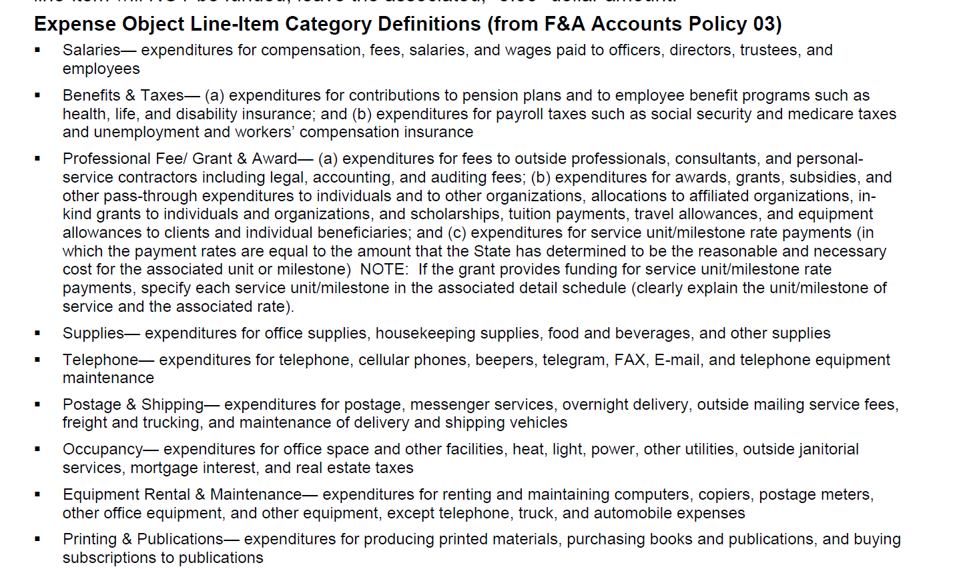
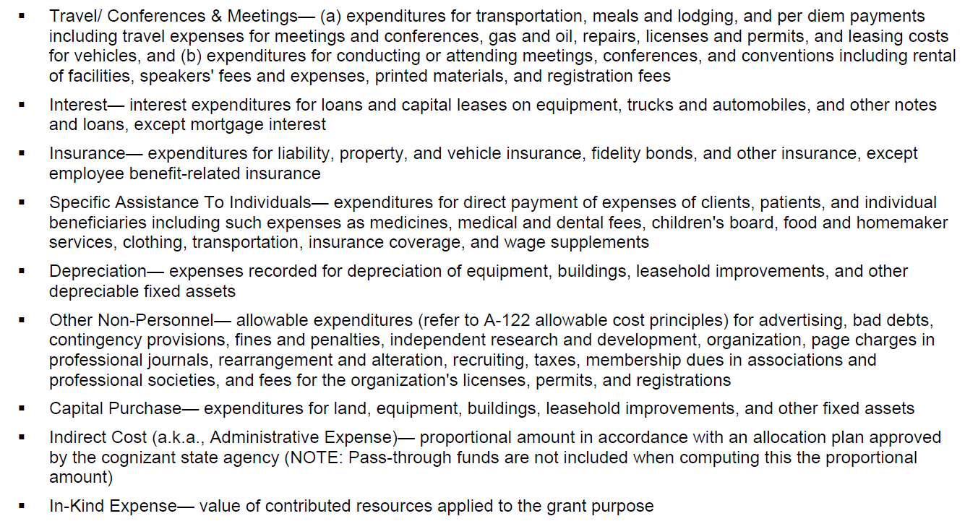
TDHS Grant Application Budget Template

POLICY 03

