form
STATE OF TENNESSEE
DEPARTMENT OF TRANSPORTATION
DIVISION OF MATERIALS AND TESTS
6601 CENTENNIAL BLVD.
NASHVILLE, TENNESSEE 37243-0360

DAILY INTELLIGENT COMPACTION QUAILTY CONTROL REPORT

Project Reference No. |  |  |  |  |  | County | JAMes |  |  |  |  | Date | 2020-10-10
Project No. | STP-z999 |  |  |  |  | Contract No. |  | z999
Contractor | Chandler Construction |  |  |  |  | Tonnage Paved: |  |  |  |  | Paving Day
IC Equipment Make/Model on Breakdown |  |  | Roller 1 Equipment
IC Equipment Make/Model on Intermediate |  |  | Roller 2 Equipment

# Passes Breakdown Roller Pattern |  |  |  |  |  | Mix Type |  |  |  | TL
# Passes Intermediate Roller Pattern |  |  |  |  |  | Binder Grade |  |  |  | 64-22
Cummulative Roller Pattern Passes |  |  |  |  |  | JMF Number |  |  |  | 1
Test Strip Surface Temp |  |  |  |  |  | JMF Compaction Temperature |  |  |  | 270
Percentage of Mat by Cummulative Pass Count |  |  |  |  |  | COMPACTION TEMP ALL PASSES
 | 1 | 5 |  | 5 | 137.04931902 | Daily Average (F) |  |  | 200.5
 | 2 | 4 |  | 8 | 71.755910912 | Temp Range of Compactive Passes
 | 3 | 6 |  | 18 | 62.808549912
 | 4 | 11 |  | 44 | 54.969261336 | Max Temp(F) |  |  | 320
 | 5 | 16.5 |  | 82.5 | 25.184271751 | Min Temp(F) |  |  | 120
 | 6 | 13.5 |  | 81 | 0.74835122577
 | 7 | 12 |  | 84 | 7.0145681782
 | 8 | 10 |  | 80 | 31.136612722 | Cumulative Passes
 | 9 | 8 |  | 72 | 61.14220157 | Average | 6.24
 | 10 | 5.5 |  | 55 | 77.945390162 | Std Dev | 2.79
 | 11 | 3.5 |  | 38.5 | 79.453510655 | Percentage of Mat Coverage at Cummulative Roller Passes
 | 12 | 2 |  | 24 | 66.460233937 | Max | 8 |  | 63
 | 13 | 1 |  | 13 | 45.759230892 | Min | 4
 | 14 | 0.5 |  | 7 | 30.144172408
 | 15 | 0.25 |  | 3.75 | 19.204364685

Original to: Field Office
Copies to: Regional Materials and Tests;

 |  |  |  |  |  |  | Contractor QC Personnel

data examples
I filled out the form using the first two graphs from VETA, but can be done with other vendor specific analysis tools.

Cumulative Pass Counts
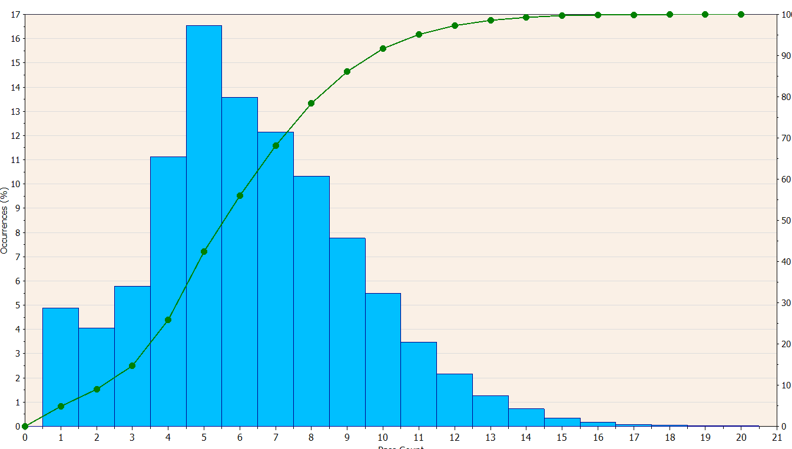

Temperature at All Passes
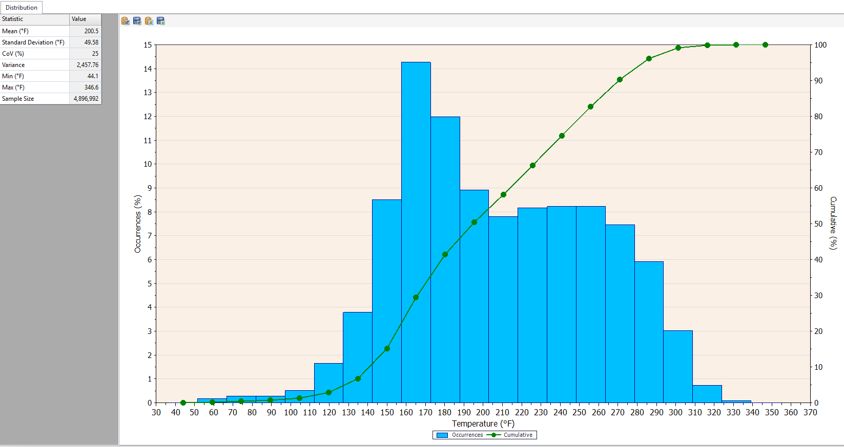

Report Min and Max above the 5% line
Report Average Temperature

Other Examples
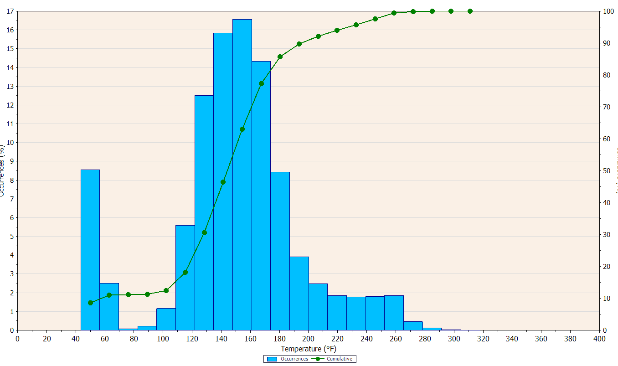
Don’t count low temps like this that show up well below the normal curve data. This is temps of a cool mat, that the rollers were parked on/drove over.

Report Temp range as 110F to 180F

Stupid Data… | Sometimes the data is stupid… Ignore obvious error/malfunctions.
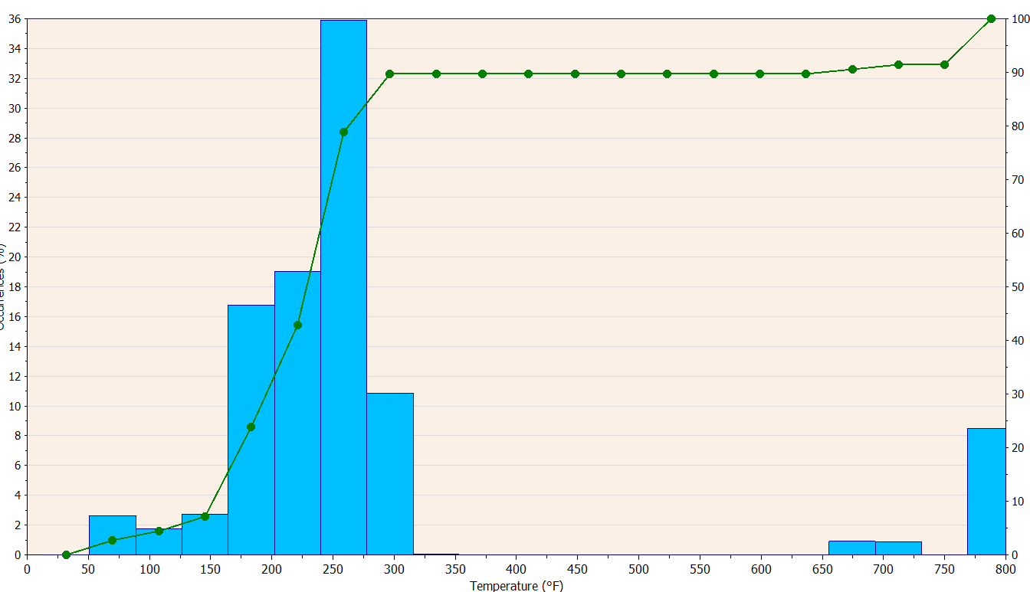

~600F Asphalt Spontaneously Combusts.
I think this data might not be right…
?!?!?

 |  | For this one report range as 175 to 300F

